Spring Summer 2025
Toro Ace Pre Season Dropship Order Form |  |  |  |  |  |  |  |  | Toro Ace Pre Season Dropship Order Form

Department - 7X Vendor# 80361/58449 |  |  |  |  |  |  |  |  | Vendor # 80361 / 58449

ORDER WINDOW: |  | MUST ORDER BY 12/1/25 TO SECURE BELOW PRICING |  | CONTACT INFO: |  |  |  |  | ORDER TOTAL: |  | $0.00
FREIGHT TERMS: |  | Prepaid on $4,000; FOB on $250 | Jessica Petermann |  |  |  |  |  | P.O. NUMBER: |  | 0
DATING: |  | 60 Days | jpetermann@saleslinkco.com |  |  |  |  |  | ORDER DATE: |  | 0
DELIVERY WINDOW: |  | 11/1/2025-4/1/2026 | 630-588-2958 |  |  |  |  |  | SHIP DATE: |  | 0
 |  |  |  |  |  |  |  |  | ORDERS MUST BE PLACED BY 12/1/2025 TO SECURE BELOW PRICING 3% to 5% savings on dropship offer vs regular RSC cost* Must order in pallet/MOQ quantities *RSC savings does not include store freight charge

ORDER TOTAL: |  | $0.00
P.O. NUMBER:
ORDER DATE:
SHIP DATE:
CREDIT AUTH:
DROPSHIP SPECIALS & CALLOUTS: |  |  |  |  |  |  |  |  | SHIP TO: |  | (Store Stamp)
ORDERS MUST BE PLACED BY 12/1/2025 TO SECURE BELOW PRICING 3% to 5% savings on dropship offer vs regular RSC cost* Must order in pallet/MOQ quantities *RSC savings does not include store freight charge

 |  |  |  |  |  |  |  |  | Customer Name (Please Print)
 |  |  |  |  |  |  |  |  | Customer E-mail Address
 |  |  |  |  |  |  |  |  | Customer Phone Number
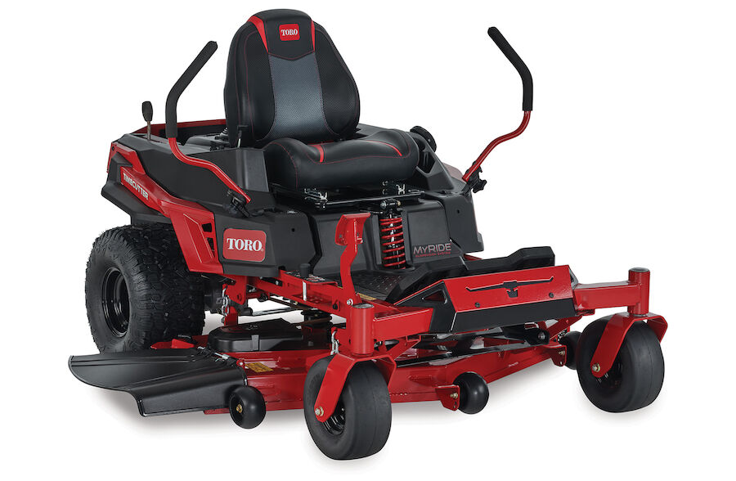
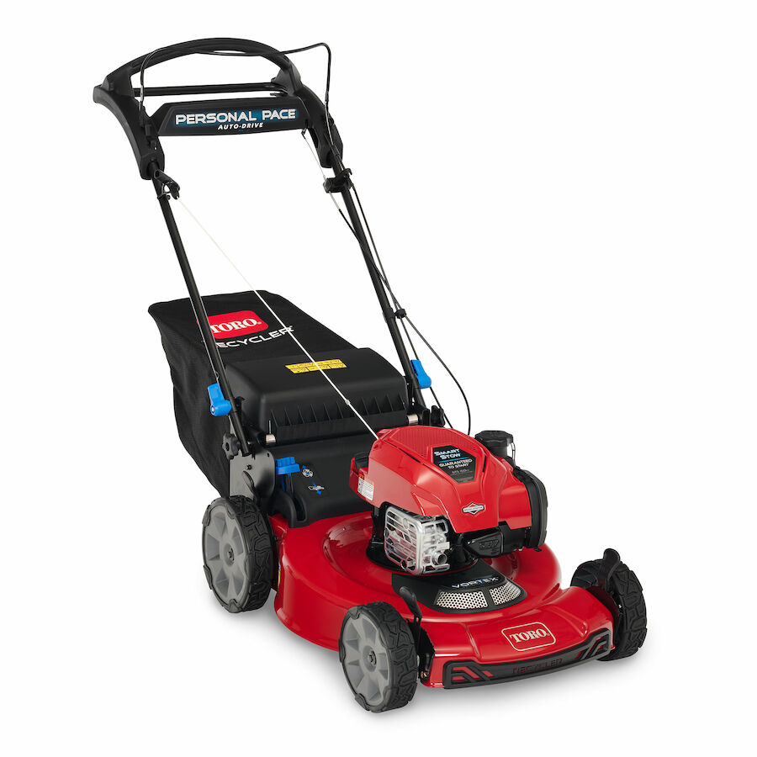
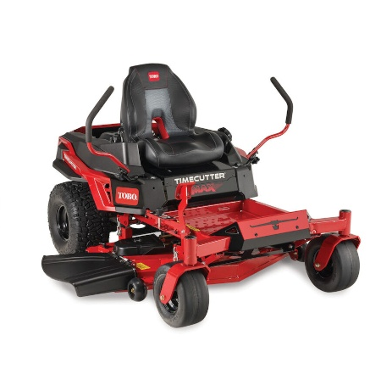
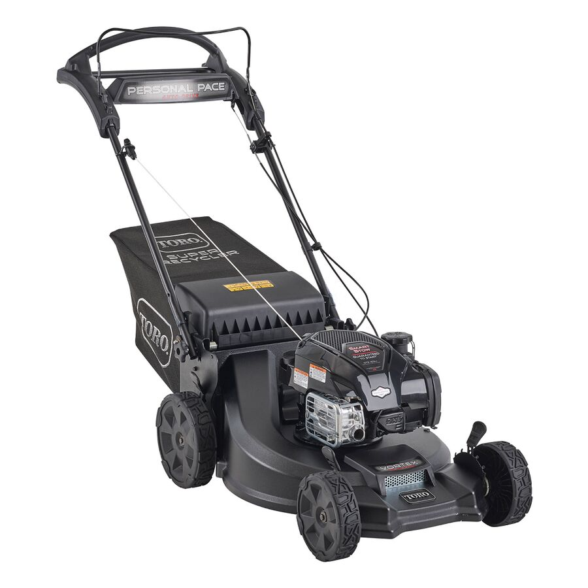
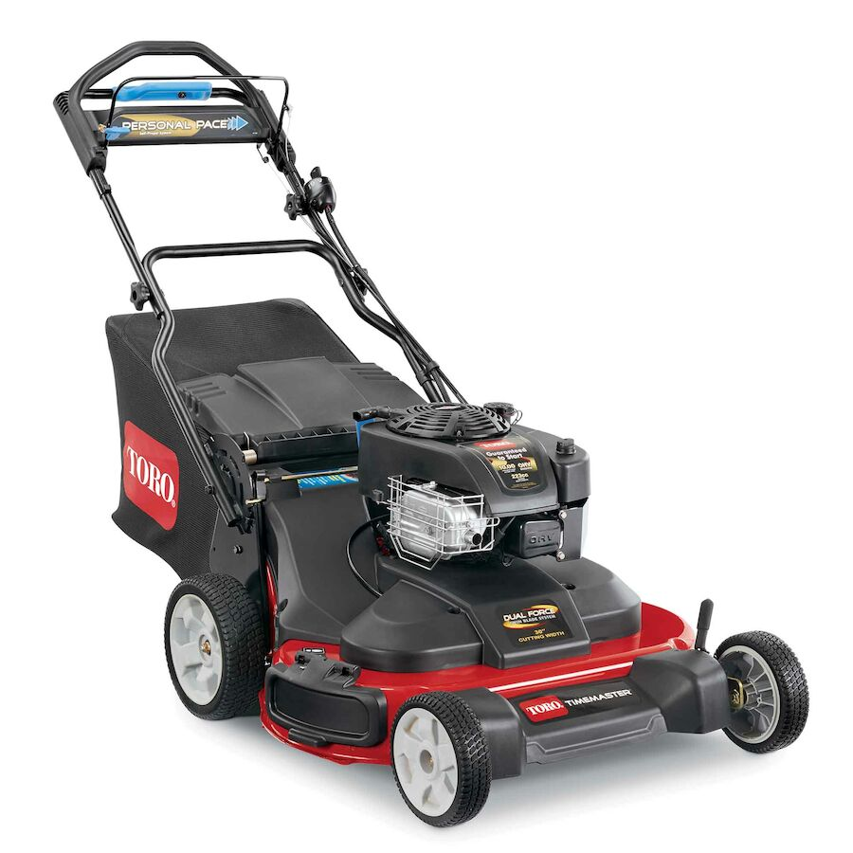

 | Zero Turns Gas Riding Mowers |  | Walk Powered Gas Mowers |  |  |  |  |  | Timemaster Gas

SKU # | Model # | Description | MAPP | Reg RSC Cost | Special D/S Cost | Savings VS RSC | Margin % | QTY | QTY | Show Cost | Model # | MOQ | Order Value
Recycler WPM's - GAS |  |  |  |  |  |  |  |  | Recycler WPM's - GAS
7018661 | 21311 | 21" Recycler Push Mower - 140cc Briggs | $389.00 | $349.08 | $338.90 | 3% | 13% |  | 0 | $338.90 | 21311 | 4 | $0.00
7054012 | 21321 | 21" Recycler RWD Mower - 140cc Briggs | $419.00 | $375.99 | $365.03 | 3% | 13% |  | 0 | $365.03 | 21321 | 4 | $0.00
7026291 | 21445 | 22" Recycler FWD w/ SmartStow - 150cc Briggs (DISCOVERY - CORE) | $479.00 | $429.83 | $417.30 | 3% | 13% |  | 0 | $417.30 | 21445 | 4 | $0.00
7013909 | 21462 | 22" Recycler RWD w/ Personal Pace - Briggs 163cc | $499.00 | $422.34 | $410.03 | 3% | 18% |  | 0 | $410.03 | 21462 | 4 | $0.00
7013911 | 21465 | 22" Recycler RWD w/ Personal Pace & SmartStow - Briggs 150cc (DISCOVERY - CORE) | $519.00 | $443.53 | $426.46 | 4% | 18% |  | 0 | $426.46 | 21465 | 4 | $0.00
Recycler MAX WPM - GAS |  |  |  |  |  |  |  |  | Recycler MAX WPM - GAS
7038655 | 21485 | 22" Recycler Max RWD w/ Personal Pace & SmartStow - Briggs 163cc (DISCOVERY - CORE) | $569.00 | $486.26 | $467.55 | 4% | 18% |  | 0 | $467.55 | 21485 | 4 | $0.00
Super Recycler WPM's - GAS |  |  |  |  |  |  |  |  | Super Recycler WPM's - GAS
7026290 | 21565 | 21" Super Recycler RWD w/ Personal Pace & SmartStow - Briggs 163cc | $699.00 | $575.77 | $553.61 |  | 21% |  | 0 | $553.61 | 21565 | 4 | $0.00
Timemaster WPM's - GAS |  |  |  |  |  |  |  |  | Timemaster WPM's - GAS
7398860 | 21219 | 30" TimeMaster RWD w/ Personal Pace - Briggs 223cc | $1,649.00 | $1,345.20 | $1,306.01 | 3% | 21% |  | 0 | $1,306.01 | 21219 | 2 | $0.00
Zero Turn Riding Mower's - GAS |  |  |  |  |  |  |  |  | Zero Turn Riding Mower's - GAS
7030774 | 77404 | 42" TimeCutter Zero Turn Mower - 22HP Briggs | $3,599.00 | $3,050.53 | $2,933.19 | 4% | 18% |  | 0 | $2,933.19 | 77404 | 1 | $0.00
7030776 | 75747 | 42" TimeCutter Zero Turn Mower w/ MyRIDE - 22HP Kohler | $4,399.00 | $3,637.10 | $3,497.20 | 4% | 21% |  | 0 | $3,497.20 | 75747 | 1 | $0.00
7038002 | 77502 | 50" TimeCutter Max Zero Turn Mower w/ MyRIDE - 23HP Kawasaki | $4,599.00 | $3,802.47 | $3,656.21 | 4% | 20% |  | 0 | $3,656.21 | 77502 | 1 | $0.00
7038003 | 77503 | 54" TimeCutter Max Zero Turn Mower w/ MyRIDE - 23HP Kawasaki | $4,699.00 | $3,885.15 | $3,735.71 | 4% | 20% |  | 0 | $3,735.71 | 77503 | 1 | $0.00
7054221 | 77504 | 54" TimeCutter Max Zero Turn Mower - 23HP Kawasaki | $4,099.00 | $3,623.53 | $3,484.15 | 9% | 15% |  | 0 | $3,484.15 | 77504 | 1 | $0.00

